Sheet1
Bill of Materials
Category | Part Name | Manufacturer | Mfg Part Number | Quantity | Image | Quanity Used | Description | Units Ordered | Cost Each | Cost Total | Distributor | Source
Controller | ELEGOO UNO R3 | ELEGOO | 746591610715 | 1 |  | 4 | ELEGOO UNO R3 Board ATmega328P with USB Cable(Arduino-Compatible) | 4 | $17.99 | $71.96 | Amazon | Elegoo UNO R3
Sensors | Magnetic Door Sensor | Dairzitv | EWWE-87878 | 10 |  | 4 | Surface Mount Wired NC Door Contact Sensor (Pack of 10) | 1 | $1.10 | $10.99 | Amazon | Magnetic Door Sensor
Actuators | Booster Module | QINIZX | B09BLQQRHL | 2 |  | 4 | Voltage Generator Module Arc Pulse Booster (3V-4.2V boost 2000V) (Pack of 2) | 2 | $5.50 | $21.98 | Amazon | Voltage Booster
 | Toggle Switch | AdaFruit | 3218 | 1 |  | 4 | Illuminated Toggle Switch with Cover (Red) Actuation Style: Rocker | 4 | $3.95 | $15.80 | AdaFruit | Toggle Switch
Displays | LCD Screen | HiLetgo | 16497 | 2 |  | 4 | LCD Display Module DC 5V 16x2 Character LCM Blue Blacklight (Pack of 2) | 2 | $4.50 | $18.00 | Amazon | LCD Display
 | LED indicators | Kingbright | WP154A4SUREQBFZGC | 1 |  | 4 | LED RGB CLEAR T-1 3/4 T/H | 4 | $3.01 | $12.04 | Digikey | RGB LED
Connectors | Header CONN | Molex | 22284028 | 2 |  | 8 | Connector Header Through Hole 2 position 0.100" (2.54mm) | 2 | $0.28 | $0.56 | Digikey | Header
 | Arduino Shield Connectors | AdaFruit | 85 | 6 |  | 4 | Shield stacking headers for Arduino (R3 Compatible) | 1 | $0.33 | $1.95 | AdaFruit | Stacking Shield CONN
 | Arduino LCD Header | Antrader | B07GP3TLH9 | 40 |  | 4 | 2.54mm 16Pin Single Row PBC Female Pin Header Socket Connector Strip | 1 | $0.16 | $6.49 | Amazon | 16 Pin Header
Passive Compnents | 300 Ohm Resistor | YAGEO | RC0805JR-07330RL | 1 |  | 8 | RES 330 OHM 5% 1/8W 0805 | 8 | $0.10 | $0.80 | Digikey | 300 Ohm Resistor
 | 10k Ohm Resistor | YAGEO | RC0805FR-0710KL | 1 |  | 4 | RES 10K OHM 1% 1/8W 0805 | 4 | $0.10 | $0.40 | Digikey | 10k Ohm Resistor
 | Potentiometer | Bourns | 3362P-1-103LF | 1 |  | 4 | TRIMMER 10K OHM 0.5W PC PIN TOP | 4 | $1.03 | $4.12 | Digikey | Trimmer
 | SMD Diode | MDD | 1N4148W | 1 |  | 4 | Diode Standard 100 V 150mA Surface Mount SOD-123 | 4 | $0.05 | $0.18 | Digikey | Diode
 | Switch | E-Switch | EG1218 | 1 |  | 4 | Slide Switch SPDT Through Hole | 4 | $0.76 | $3.04 | Digikey | Onboard Switch
 | IR Sensor and Remote | DFRobot | 2152315 | 1 | 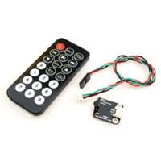 | 4 | Infrared Remote & IR Receiver Combo Arduino Compatible | 4 | $7.49 | $29.96 | Jameco | IR sensor and Remote
Power | 9V Batteries | Duracell | MN1604B4 | 4 | 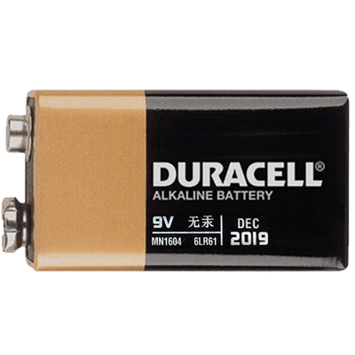 | 4 | Duracell Coppertop 9V Battery (Pack of 4) | 1 | $3.05 | $12.19 | Amazon | 9V Batteries
 | 9V Battery Connector | RFAdapter | B0882VV74L | 6 |  | 4 | 9v Battery Clip with 5.5mm/2.1mm Male DC Plug | 1 | $1.00 | $5.99 | Amazon | 9V Battery Connector
 | Power Adapter | Corporate Computer | LJH -186 | 1 | 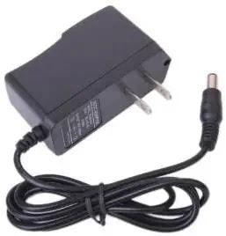 | 4 | 9VDC 1A Arduino Compatible Power Supply Adapter 110V AC 5.5 x 2.1mm Tip | 4 | $7.49 | $7.49 | Amazon | 9V Battery Adapter
EDA | PCB Fabrication | OshPark | n/a | 4 |  | 4 | Layout to house and control LCD display, LED indicators, and Voltage Booster Module | 1 | $7.14 | $28.55 | OshPark | OshPark
Component Housing | 3D Enclosure v1 | EPL | n/a | 1 |  | 4 | 3D Enclosure for Component Housing | 4 | $15.00 | $60.00 | EPL | 3DPrinting
 | 3D Enclosure v2 | EPL | n/a | 1 | 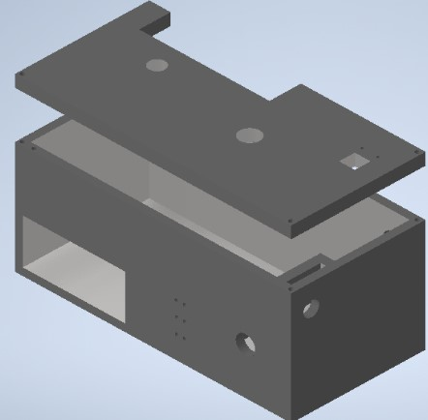 | 4 | 3D Enclosure for Component Housing | 4 | $20.00 | $80.00 | EPL | 3DPrinting
 |  |  |  |  |  |  | Total Cost for all Components: |  |  | $392.49
Revisions | Date |  |  |  |  |  | Total Cost Per Device: |  | $96.90
v1: Added Headers for PCB | 10/12/2022 |  |  |  |  |  | Total Cost for all 4 Devices: |  | $387.58
v2: Added 9V Battery Connector | 10/31/2022
v3: Added IR sensor and Remote | 11/15/2022
v4: Added Toggle Switch | 11/17/2022
v5: Added PCB | 11/21/2022
v6: Added 3D enclosure v1 | 12/01/2022
v7: Added 3D enclousre v2 | 12/04/2022

